SUMMARY
SUMMARY CHECK |  |  |  | FROM ORIGINAL AWARD
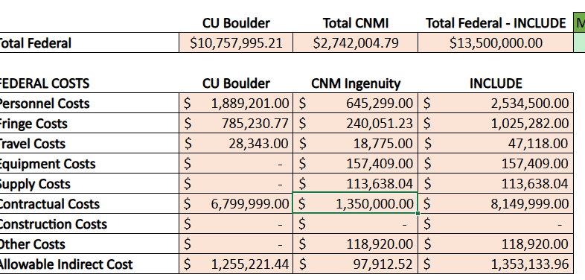
Personnel | 885,350
Travel | 20,510
Contractual | 1,195,529 | *includes update to SNL $1,195,529
Equipment | 196,906 | *added $39K to 1st year
Supplies | 104,228 | *updated to be included in IDC calc
Other(Participant Support) | 118,920

IDC Base | 2,205,617
IDC @ 10% | 220,562

Total | 2,742,004.79
 |  | (0.00) | Difference
Award Total | 2,742,004.79

CNMI Subawards
Instructions: If your application includes subawards to eligible entities, please fill out a detailed budget for each of those subawards. This tab will NOT autopopulate other tabs. Please ensure totals and breakdown for subawards are listed under the Budget Narrative Tab under "contractual" and denote it is a subaward vs. a contractor. All subawards should meet eligibility criteria for this NOFO. For definitions, see 2 CFR 200.1.
*Please note, any values in the template are examples to show how to use the template and should not be considered guidance or advice on the expected budget values from EDA.

Sandia National Labs (Subcontract to CNMI) |  |  |  | University of New Mexico (Subawardee to CNMI)
NOFO 2 A.1.b.iii.(3) Economic development organization | Total | Federal | Match | NOFO 2 A.1.b.iii.(3) Institution of higher education | Total | Federal | Match | NOFO 2 A.1.b.iii.(3) Institution of higher education | Total | Federal | Match
Personnel | $543,189 | $543,189 | $- | Personnel | $155,869 | $- | $155,869 | Personnel
Fringe Benefits | $167,121 | $167,121 | $- | Fringe Benefits | $29,210 | $- | $29,210 | Fringe Benefits
Travel | $28,762 | $28,762 | $- | Travel | $- |  | $- | Travel | $-
Equipment | $- |  |  | Equipment | $- |  | $- | Equipment | $-
Supplies | $2,000 | $2,000 |  | Supplies | $2,000 | $- | $2,000 | Supplies | $-
Contractual | $- |  |  | Contractual | $- |  | $- | Contractual | $-
Construction (N/A) | $- |  |  | Construction (N/A) | $- |  | $- | Construction (N/A) | $-
Other | $608,928 | $608,928 | $- | Other | $98,216 |  | $98,216 | Other | $-
Total Direct Charges | $1,350,000 | $1,350,000 | $- | Total Direct Charges | $285,295 | $- | $285,295 | Total Direct Charges | $- |  | $-
Indirect Charges | $- | $- | $- | Indirect Charges | $- | $- | $- | Indirect Charges
Total Subaward | $1,350,000 | $1,350,000 | $- | Total Subaward | $285,295 | $- | $285,295 | Total Subaward | $- |  | $-

Subrecipient #1 Staffing Plan |  |  |  | Subrecipient #2 Staffing Plan |  |  |  | Subrecipient #3 Staffing Plan
Name/Title | Responsibilities | Cost |  | Name/Title | Responsibilities | Cost |  | Name/Title | Responsibilities | Cost
Megan Ivory- Co-PI and Senior Member of the Technical Staff | Dr. Ivory is a quantum scientist and workforce developer who specializes in creating accessible, hands-on training at earlier education stages including High School, Community College, and Undergraduate. Dr. Ivory will serve as co-PI, overseeing project execution, developing hands-on laboratory demonstrations, and developing accessible curriculum. | $276,262 |  | Marek Osinski /Distinguished Professor of Electrical & Computer Engineering, Physics & Astronomy, Computer Science, and Nuclear Engineering | The requested level of support for Prof. Osiński is 0.94 month per year, of which half will be used during the calendar year, and half during the summer. An annual salary increase of 3% is assumed in Years 1-5, based on the current monthly salary of $16,293. Prof. Osiński will work on curriculum development for the Quantum Learning Lab. During the summer, he will be available to help the student interns participating in the summer program at the Quantum Learning Lab. He will supervise the Undergraduate Students working on this project. | $84,055
Jake Douglass- Technical Business Development - Quantum | Mr. Douglass specializes in quantum workforce development, particularly throughout the state of New Mexico where he has co-created training opportunities for high school and community college students and through the Quantum Economic Development Consortium. Mr. Douglass will connect the team with industry partners to ensure the curriculum is industry-driven and coordinate with the EQWC to maximize impact. | $39,676 |  | TBD Undergraduate Student | One undergraduate student, enrolled in a relevant program (Electrical & Computer Engineering, Physics, Computer Science, or Chemistry) will be hired each year to work on this project. The student will be working 600 hours during 9 months of the academic year. During Year 1, the student’s wages will be $22.54/hour for the total of $13,524. The hourly rate is assumed to increase by 3% annually to $23.22 in Year 2, $23.92 in Year 3, $24.64 in Year 4, and $25.38 in Year 5, with the annual totals increasing to $13,932 in Year 2, $14,350 in Year 3, $14,782 in Year 4, and $15,225 in Year 5, for the grand total of $71,813. The student will be supervised by Prof. Osiński and will work on curriculum development for the Quantum Learning Lab. | $71,813
SMTS- Senior Member of the Technical Staff | Quantum scientists from other areas of Sandia will assist in specialized curriculum development and experimental demonstrations as needed. | $43,852
Undergraduate Intern | A year-round undergraduate intern will work directly with Dr. Ivory to develop hands-on laboratory demonstrations and accessible curriculum, and to instruct summer programming. | $183,399

